Create Alarm
Must | Create an EC2 Instance (refer to [Create EC2 instance] Lab)
 | Use SNS to create a [Topic], Create a [Subscriber] in the topic, add your email as the endpoint in the subscriber
 | (refer to day 1 lab Billing)

1 | Go to Cloudwatch Dashboard> Alarm > Create Alarm

2 | Create Metric > Select Metric > Check CPU Utilization
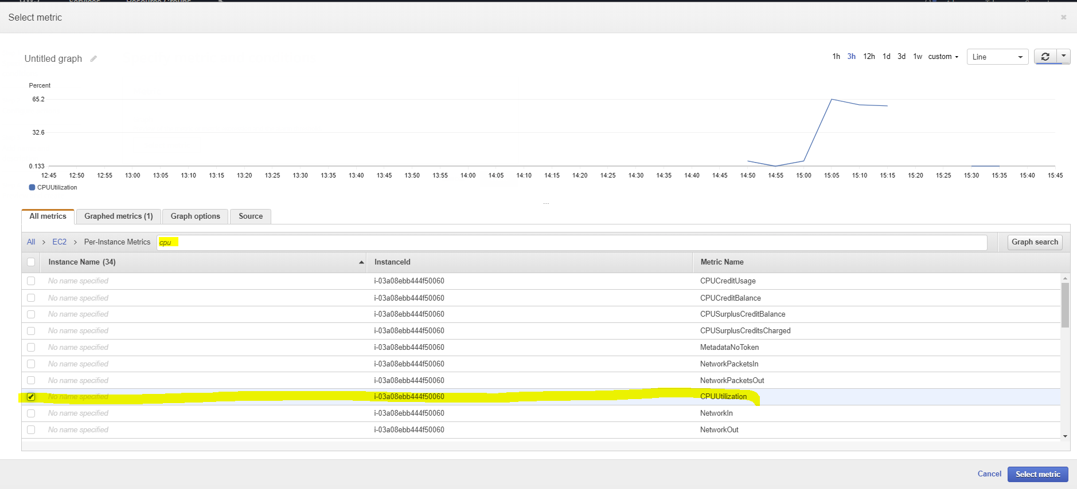

3 | Config metric
 | CPU higher than 30%
 |  | period 1 minute
 |  | datapoints: 3 out of 3
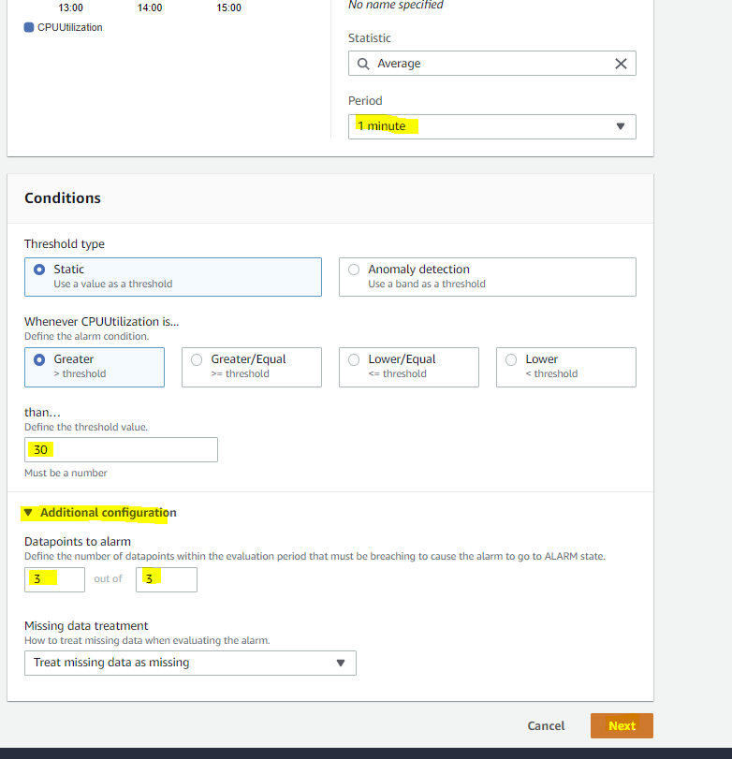

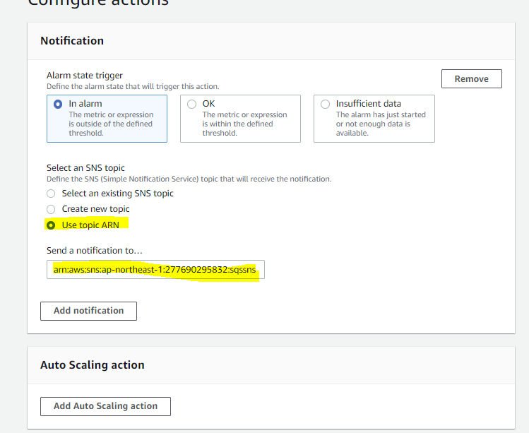
 | 4 | Configure topic |  | Note
 |  | Use the topic ARN that you created in day1 |  | you can also select the action to perform on this instance
 |  |  |  | But this is only for demonstration
 |  |  |  | you don't have to do this
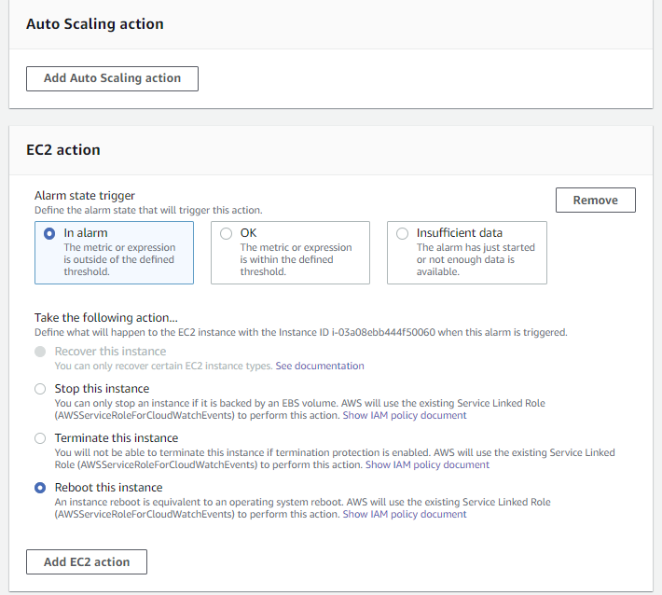

 | 5 | Enter the alarm name of your choice | no image for these steps
 |  | review the information
 |  | then create the Alarm

 | 6 | Check your alarm in Dashboard > Alarm

Trigger the Alarm
1 | Log into the instance
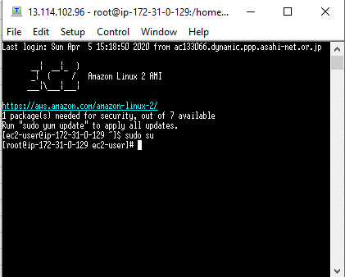

2 | use the following command
 | vi test.py

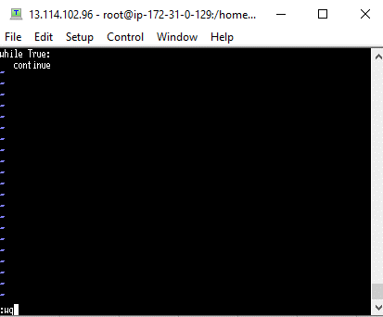
3 | press [Insert] button
 | enter the following code
 | While True: continue

4 | [Esc]> type wq > enter

5 | command
 | python test.py
 | then Enter

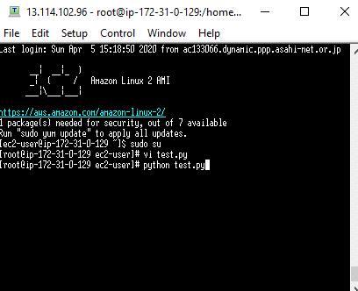

6 | Go back to Cloudwatch > Alarm

7 | Check your email
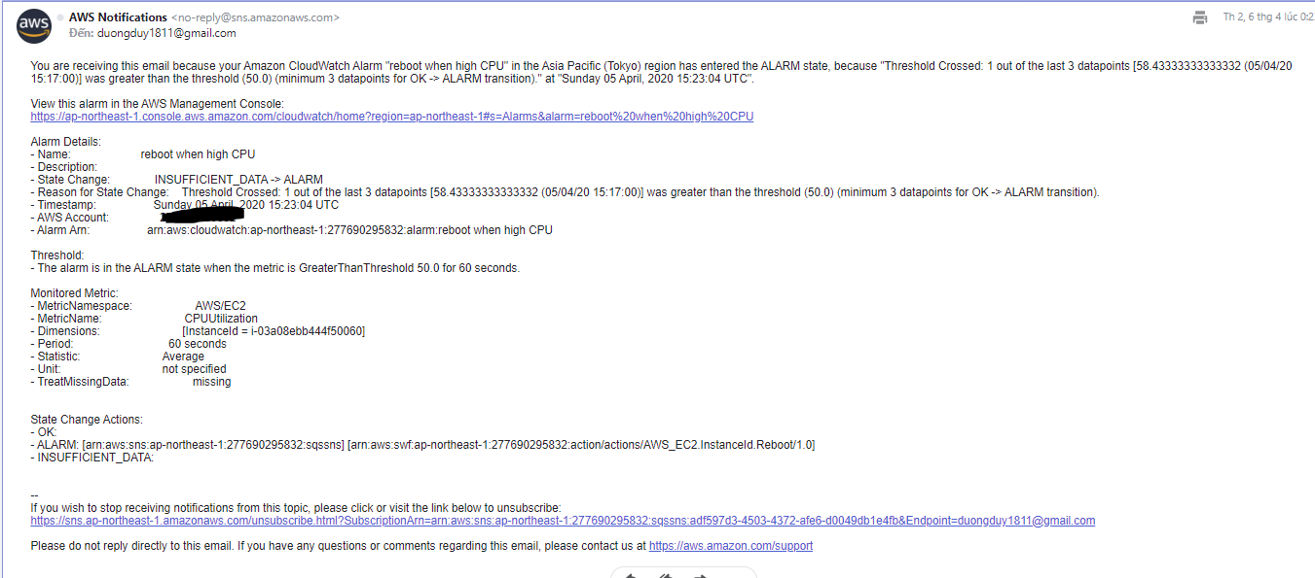

8 | You can Terminate the instance if you want
 | Remember: you have to Stop the instance before Terminate

